Objective
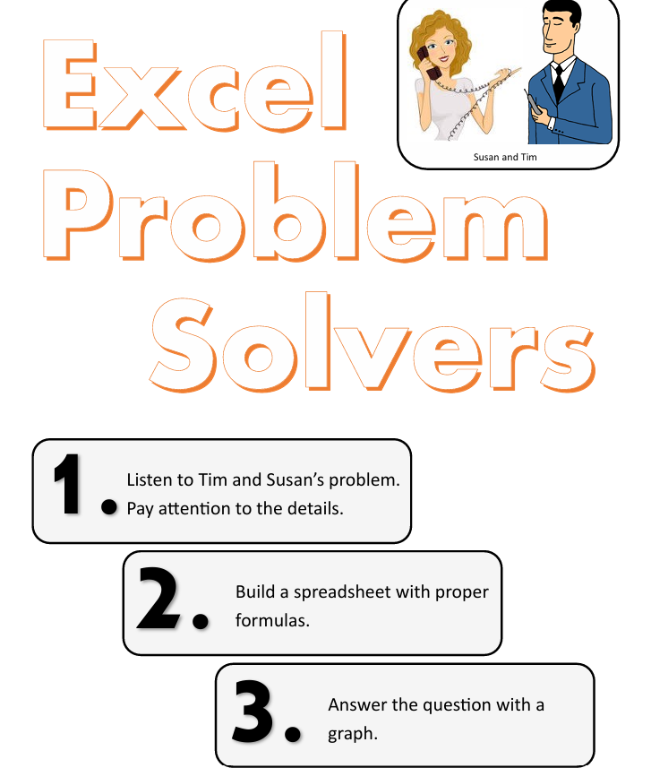

Problem 1
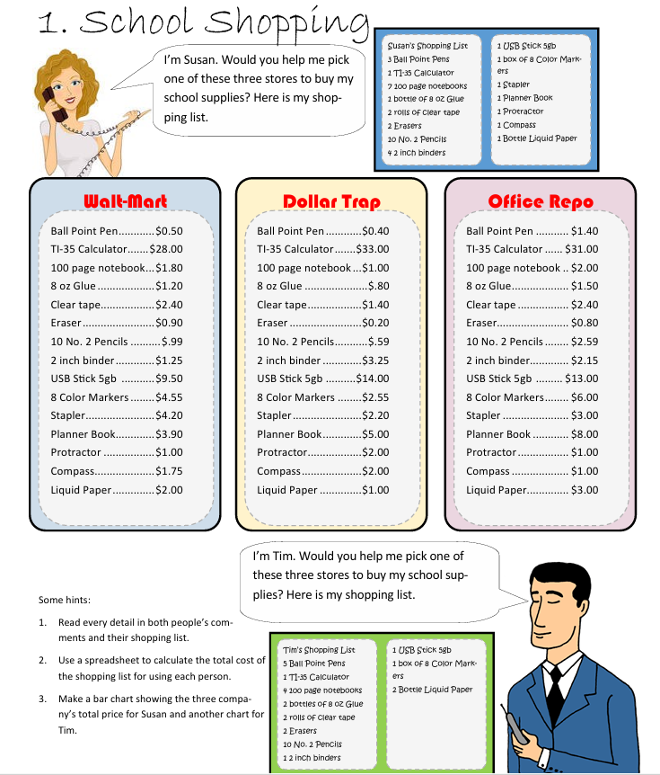

School Shopping
 | Wall-Mart Price | Dollar Trap | Office Repo | Susan's | Wall-Mart | Dollar Trap | Office Repo | Tim's | Wall-Mart | Dollar Trap | Office Repo
Ball Point Pen | $0.50 | $0.40 | $1.40 | 3 | $1.50 | $1.20 | $4.20 | 5 | $2.50 | $2.00 | $7.00
TI-35 Calculator | $28.00 | $33.00 | $31.00 | 1 | $28.00 | $33.00 | $31.00 | 1 | $28.00 | $33.00 | $31.00
100 Page Notebook | $1.80 | $1.00 | $2.00 | 7 | $12.60 | $7.00 | $14.00 | 4 | $7.20 | $4.00 | $8.00
8 Oz Glue | $1.20 | $0.80 | $1.50 | 1 | $1.20 | $0.80 | $1.50 | 2 | $2.40 | $1.60 | $3.00
Clear Tape | $2.40 | $1.40 | $2.40 | 2 | $4.80 | $2.80 | $4.80 | 2 | $4.80 | $2.80 | $4.80
Eraser | $0.90 | $0.20 | $0.80 | 2 | $1.80 | $0.40 | $1.60 | 2 | $1.80 | $0.40 | $1.60
10 No. 2 Pencils | $0.99 | $0.59 | $2.59 | 1 | $0.99 | $0.59 | $2.59 | 1 | $0.99 | $0.59 | $2.59
2 Inch Binder | $1.25 | $3.25 | $2.15 | 4 | $5.00 | $13.00 | $8.60 | 1 | $1.25 | $3.25 | $2.15
USB Stick 5gb | $9.50 | $14.00 | $13.00 | 1 | $9.50 | $14.00 | $13.00 | 1 | $9.50 | $14.00 | $13.00
8 Color Markers | $4.55 | $2.55 | $6.00 | 1 | $4.55 | $2.55 | $6.00 | 1 | $4.55 | $2.55 | $6.00
Stapler | $4.20 | $2.20 | $3.00 | 1 | $4.20 | $2.20 | $3.00 | 2 | $8.40 | $4.40 | $6.00
Planner Book | $3.90 | $5.00 | $8.00 | 1 | $3.90 | $5.00 | $8.00 | 0 | $- | $- | $-
Protector | $1.00 | $2.00 | $1.00 | 1 | $1.00 | $2.00 | $1.00 | 0 | $- | $- | $-
Compass | $1.75 | $2.00 | $1.00 | 1 | $1.75 | $2.00 | $1.00 | 0 | $- | $- | $-
Liquid Paper | $2.00 | $1.00 | $3.00 | 1 | $2.00 | $1.00 | $3.00 | 0 | $- | $- | $-
 |  |  |  |  | Wall-Mart | Dollar Trap | Office Repo |  | Wall-Mart | Dollar Trap | Office Repo
 |  |  |  | Total Price | $82.79 | $87.54 | $103.29 | Total Price | $71.39 | $68.59 | $85.14
Total Price by Store- Susan
Wall-Mart | 82.79
Dollar Trap | 87.54
Office Repo | 103.29
Total Price by Store- Tim
Wall-Mart | 71.39
Dollar Trap | 68.59
Office Repo | 85.14

Problem 2
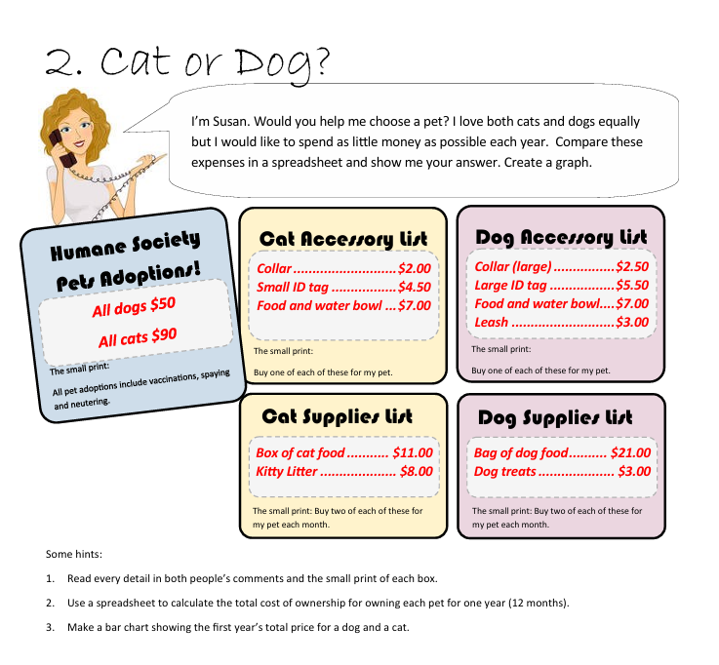

Cat or Dog
One Year Cost for Pet
Dog | 644
Cat | 559.5
 | Dog | Cat
Initial
Purchase | $50.00 | $90.00
Collar | $2.50 | $2.00
Tag | $5.50 | $4.50
Bowl | $7.00 | $7.00
Leash | $3.00 | $-
Initial Total | $68.00 | $103.50

Monthly
Food | $21.00 | $11.00
Litter | $- | $8.00
Treats | $3.00 | $-
Subtotal | $24.00 | $19.00
Monthly Total | $48.00 | $38.00

 | Dog | Cat
One Year Costs | $644.00 | $559.50

Therefore, Susan must buy a Cat as its one year cost is less than a dog by = |  |  | $84.50

Problem 3
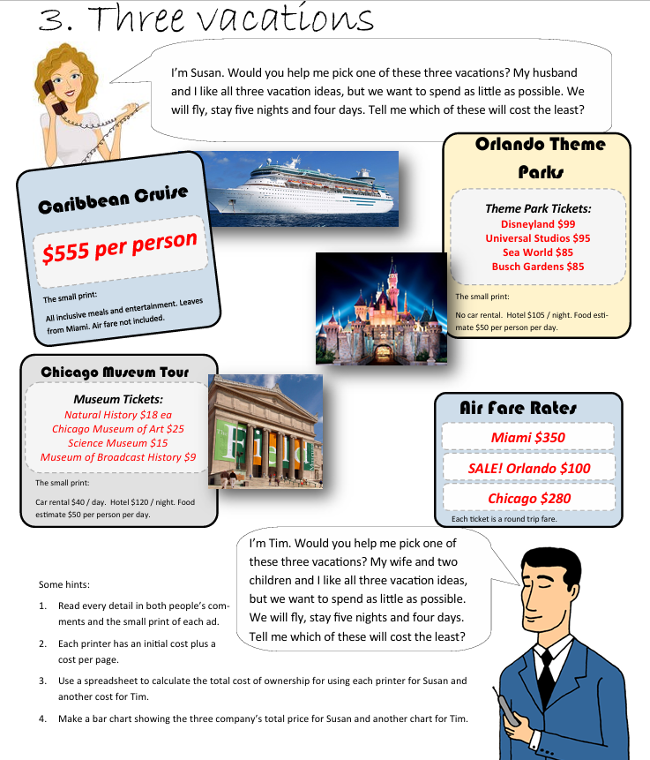

Three Vacations
Susan | Chicago Museum Tour | Orlando Theme Parks | Carribean Cruise | Tim | Chicago Museum Tour | Orlando Theme Parks | Carribean Cruise

Per Person Expenses |  |  |  | Per Person Expenses
Air Fare | $280.00 | $100.00 | $350.00 | Air Fare | $280.00 | $100.00 | $350.00
Natural History | $18.00 | $- | $- | Natural History | $18.00 | $- | $-
Chicago Museum of Art | $25.00 | $- | $- | Chicago Museum of Art | $25.00 | $- | $-
Science Museum | $15.00 | $- | $- | Science Museum | $15.00 | $- | $-
Museum of Broadcast History | $9.00 | $- | $- | Museum of Broadcast History | $9.00 | $- | $-
Disneyland | $- | $99.00 | $- | Disneyland | $- | $99.00 | $-
Universal Studios | $- | $95.00 | $- | Universal Studios | $- | $95.00 | $-
Sea World | $- | $85.00 | $- | Sea World | $- | $85.00 | $-
Busch Gardens | $- | $85.00 | $- | Busch Gardens | $- | $85.00 | $-
Cruise | $- | $- | $555.00 | Cruise | $- | $- | $555.00

Subtotal of Tickets(per person) | $347.00 | $464.00 | $905.00 | Subtotal of Tickets(per person) | $347.00 | $464.00 | $905.00
Number of People in group | 2 | 2 | 2 | Number of People in group | 4 | 4 | 4
Total cost of tickets | $694.00 | $928.00 | $1,810.00 | Total cost of tickets | $1,388.00 | $1,856.00 | $3,620.00

Hotel Expenses |  |  |  | Hotel Expenses
Hotel Cost per Night | $120.00 | $105.00 | $- | Hotel Cost per Night | $120.00 | $105.00 | $-
Number of Nights | 5 | 5 | 5 | Number of Nights | 5 | 5 | 5
Hotel Total | $600.00 | $525.00 | $- | Hotel Total | $600.00 | $525.00 | $-

Car Expenses |  |  |  | Car Expenses
Car Rental | $40.00 | $- | $- | Car Rental | $40.00 | $- | $-
Number of Days | 4 | 4 | 4 | Number of Days | 4 | 4 | 4
Car Total | $160.00 | $- | $- | Car Total | $160.00 | $- | $-

Food Expenses |  |  |  | Food Expenses
Food | $50.00 | $50.00 | $- | Food | $50.00 | $50.00 | $-
Number of people in the group | 2 | 2 | 2 | Number of people in the group | 4 | 4 | 4
Number of Days | 4 | 4 | 4 | Number of Days | 4 | 4 | 4
Food Total | $400.00 | $400.00 | $- | Food Total | $800.00 | $800.00 | $-

 | Chicago Museum Tour | Orlando Theme Parks | Carribean Cruise |  | Chicago Museum Tour | Orlando Theme Parks | Carribean Cruise
Total Expenses | $1,854.00 | $1,853.00 | $1,810.00 | Total Expenses | $2,948.00 | $3,181.00 | $3,620.00

Susan's Total Expense
Chicago Museum Tour | 1854
Orlando Theme Parks | 1853
Carribean Cruise | 1810
Tim's Total Expense
Chicago Museum Tour | 2948
Orlando Theme Parks | 3181
Carribean Cruise | 3620

Problem 4
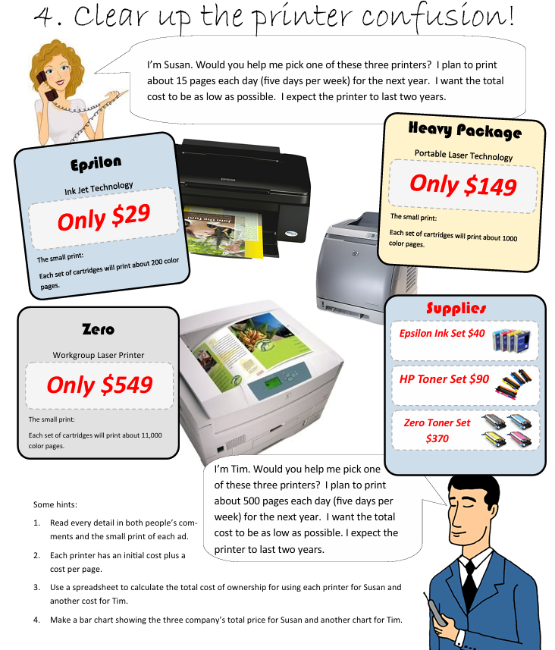

Printer Confusion
Susan
Printer | Printer Cost | Cost of a Catridge Set | Pages per Catridge | Per Page cost | Page/day | Pages/week | Pages/Year | Printing Cost/Year | For 2 Years | Total Cost in 2 Years
Epsilon | $29.00 | $40.00 | 200 | $0.20 | 15 | 75 | 3900 | $780.00 | $1,560.00 | $1,589.00
Heavy Package | $149.00 | $90.00 | 1000 | $0.09 | 15 | 75 | 3900 | $351.00 | $702.00 | $851.00
Zero | $549.00 | $370.00 | 11000 | $0.03 | 15 | 75 | 3900 | $131.18 | $262.36 | $811.36

Tim
Printer | Printer Cost | Cost of a Catridge Set | Pages per Catridge | Per Page cost | Page/day | Pages/week | Pages/Year | Printing Cost/Year | For 2 Years | Total Cost in 2 Years
Epsilon | $29.00 | $40.00 | 200 | $0.20 | 500 | 2500 | 130000 | $26,000.00 | $52,000.00 | $52,029.00
Heavy Package | $149.00 | $90.00 | 1000 | $0.09 | 500 | 2500 | 130000 | $11,700.00 | $23,400.00 | $23,549.00
Zero | $549.00 | $370.00 | 11000 | $0.03 | 500 | 2500 | 130000 | $4,372.73 | $8,745.45 | $9,294.45
Total Cost in 2 Years by Printers- Susan
 | Total Cost in 2 Years
Epsilon | 1589
Heavy Package | 851
Zero | 811.36363636
Total Cost in 2 Years by Printers- Tim
 | Total Cost in 2 Years
Epsilon | 52029
Heavy Package | 23549
Zero | 9294.4545455

Problem 5
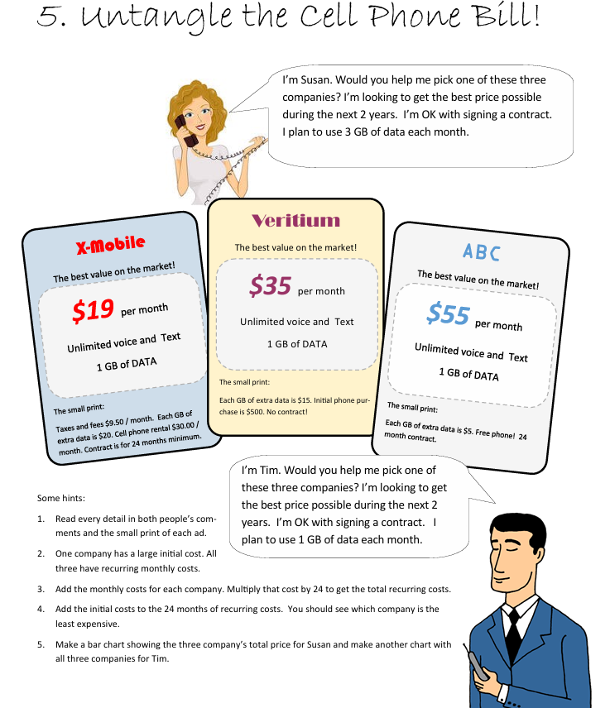

Cell Phone Bill
Susan | X-Mobile | Veritium | ABC | Tim | X-Mobile | Veritium | ABC
Plan Cost |  |  |  | Plan Cost
Cost Per Month | $19.00 | $35.00 | $55.00 | Cost Per Month | $19.00 | $35.00 | $55.00
Cost 2 Years | $456.00 | $840.00 | $1,320.00 | Cost 2 Years | $456.00 | $840.00 | $1,320.00

Data Cost |  |  |  | Data Cost
Plan Data/Month | 1 GB | 1GB | 1GB | Plan Data/Month | 1 GB | 1GB | 1GB
Each GB extra data | $20.00 | $15.00 | $5.00 | Each GB extra data | $20.00 | $15.00 | $5.00
Required Extra Data/Month (2 GB) | $40.00 | $30.00 | $10.00 | Required Extra Data/Month (2 GB) | $- | $- | $-
Required Extra Data 2 Years | $960.00 | $720.00 | $240.00 | Required Extra Data 2 Years | $- | $- | $-

Contract Duration |  |  |  | Contract Duration
Minimum Contract | 24 Months | - | 24 Months | Minimum Contract | 24 Months | - | 24 Months

Phone Cost & Taxes |  |  |  | Phone Cost & Taxes
Rental Cost/Month | $30.00 | $- | $- | Rental Cost/Month | $30.00 | $- | $-
Total Phone Cost 2 Years | $720.00 | $500.00 | $- | Total Phone Cost 2 Years | $720.00 | $500.00 | $-

Taxes Cost |  |  |  | Taxes Cost
Taxes/Month | $9.50 | $- | $- | Taxes/Month | $9.50 | $- | $-
Total Taxes Cost 2 Years | $228.00 | $- | $- | Total Taxes Cost 2 Years | $228.00 | $- | $-

Total Cost 2 Years | $2,364.00 | $2,060.00 | $1,560.00 | Total Cost 2 Years | $1,404.00 | $1,340.00 | $1,320.00
Tim's 2 Years Cost
 | Total Cost 2 Years
X-Mobile | 1404
Veritium | 1340
ABC | 1320
Susan's 2 Years Cost
 | Total Cost 2 Years
X-Mobile | 2364
Veritium | 2060
ABC | 1560

Problem 6
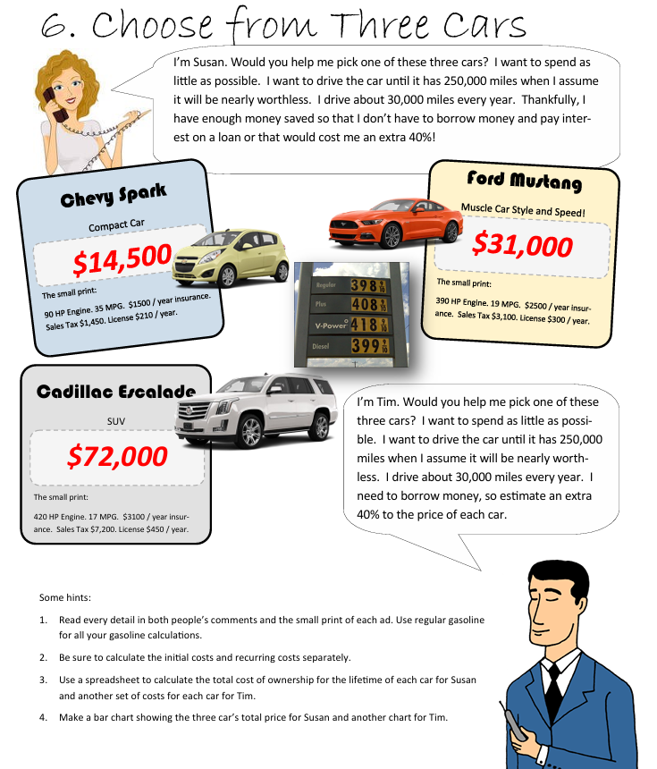

Three Cars
Susan | Chevy Spark | Ford Mustang | Cadillac Escalade | Tim | Chevy Spark | Ford Mustang | Cadillac Escalade
Initial Cost |  |  |  | Initial Cost
Car Cost | $14,500.00 | $31,000.00 | $72,000.00 | Car Cost | $14,500.00 | $31,000.00 | $72,000.00
Sales Tax | $1,450.00 | $3,100.00 | $7,200.00 | Sales Tax | $1,450.00 | $3,100.00 | $7,200.00
Borrow Money | $- | $- | $- | Borrow Money | $5,800.00 | $12,400.00 | $28,800.00
Initial Total | $15,950.00 | $34,100.00 | $79,200.00 | Initial Total | $21,750.00 | $46,500.00 | $108,000.00

Annual Cost |  |  |  | Annual Cost
Insurance/Year | $1,500.00 | $2,500.00 | $3,100.00 | Insurance/Year | $1,500.00 | $2,500.00 | $3,100.00

Miles/Year | 30,000 | 30,000 | 30,000 | Miles/Year | 30,000 | 30,000 | 30,000
Final Miles | 250,000 | 250,000 | 250,000 | Final Miles | 250,000 | 250,000 | 250,000
Car Life Span | 8.33 | 8.33 | 8.33 | Car Life Span | 8.33 | 8.33 | 8.33

MPG | 35.00 | 19.00 | 17.00 | MPG | 35.00 | 19.00 | 17.00
Price per gal | 3.98 | 3.98 | 3.98 | Price per gal | 3.98 | 3.98 | 3.98
Gas Cost | 3,411.43 | 6,284.21 | 7,023.53 | Gas Cost | 3,411.43 | 6,284.21 | 7,023.53

Total Annual Cost | 40,928.57 | 73,201.75 | 84,362.75 | Total Annual Cost | 40,928.57 | 73,201.75 | 84,362.75

Total Cost | $56,878.57 | $107,301.75 | $163,562.75 | Total Cost | $62,678.57 | $119,701.75 | $192,362.75
Avg Cost/Year | $6,825.43 | $12,876.21 | $19,627.53 | Avg Cost/Year | $7,521.43 | $14,364.21 | $23,083.53
Tim's Avg Cost/Year
 | Avg Cost/Year
Chevy Spark | 7521.4285714
Ford Mustang | 14364.210526
Cadillac Escalade | 23083.529412
Susan's Avg Cost/Year
 | Avg Cost/Year
Chevy Spark | 6825.4285714
Ford Mustang | 12876.210526
Cadillac Escalade | 19627.529412

